grain size analysis
before the flood (2010)
after the flood (2010)
mean
percent passing(%)
particle size (mm)
* grain-size distribution of bed material (2010) _ Grab sampler(60L)
particle size time | D35(mm) | D50(mm) | D65(mm) | D90(mm) | 균등계수 Coefficient of uniformity (Cu) | 곡률계수 Coefficient of curvature (Cg)
평군 (mean) | 3.33 | 6.73 | 11.49 | 18.22 | 12.67 | 0.86

before the flood (2011)
after the flood (2011)
mean
percent passing(%)
particle size (mm)
* grain-size distribution of bed material (2011) _ grid sampling(Hack_1947)
particle size time | D35(mm) | D50(mm) | D65(mm) | D90(mm) | 균등계수 Coefficient of uniformity (Cu) | 곡률계수 Coefficient of curvature (Cg)
평군 (mean) | 49.17 | 52.12 | 54.53 | 58.54 | 1.46 | 1.11

* grain-size distribution of bed material (2012) _ grid sampling(Hack_1947)

* particle size distribution of suspended sediment (2012) |  |  |  |  |  |  |  |  |  | * grain-size distribution of bed material (2012)

No | particle size distribution of suspended sediment (%) |  |  |  |  |  |  |  |  | particle size time | D10 | D30 | D35 | D60 | D65 | 균등계수 Coefficient of uniformity (Cu) | 곡률계수 Coefficient of curvature (Cg)
 | range (mm) |  |  |  |  |  |  |  | sum | 홍수전 (before the flood) | 0.22 | 3.45 | 7.72 | 11.46 | 11.99 | 3.32 | 4.71
 | 0.0020~ | 0.0222~ | 0.0313~ | 0.0423~ | 0.0626~ | 0.1251~ | 0.2501~ | 0.5001~ |  | 홍수후(after the flood ) | 0.79 | 2.59 | 3.78 | 7.59 | 8.53 | 2.93 | 1.12
 | 0.0221 | 0.0312 | 0.0422 | 0.0625 | 0.125 | 0.25 | 0.5 | 1 |  | 평균 (mean) | 0.53 | 3.06 | 4.27 | 9.86 | 10.66 | 3.23 | 1.78
1 | 46.5 | 15 | 22.1 | 9.5 | 6.2 | 0 | 0.7 | 0 | 100 | particle size time | D5 | D10 | D15 | D20 | D25 | D30 | D35 | D40 | D45 | D50 | D55 | D60 | D65 | D70 | D75 | D80 | D85 | D90 | D95 | D100
2 | 50.2 | 19.8 | 27 | 3 | 0 | 0 | 0 | 0 | 100 | 홍수전 (before the flood) | 0.10 | 0.22 | 0.48 | 0.61 | 2.00 | 3.45 | 7.72 | 8.53 | 9.33 | 10.13 | 10.66 | 11.46 | 11.99 | 12.52 | 13.05 | 13.59 | 14.12 | 14.65 | 15.18 | 16
3 | 51.6 | 13.4 | 21.5 | 6.8 | 5.1 | 0.7 | 0.8 | 0.1 | 100 | 홍수후 (after the flood ) | 0.58 | 0.79 | 1.03 | 1.40 | 1.76 | 2.59 | 3.78 | 4.80 | 5.60 | 6.26 | 6.93 | 7.59 | 8.53 | 9.86 | 10.66 | 11.99 | 12.79 | 13.85 | 14.92 | 16
4 | 48.9 | 17.8 | 17.8 | 5.4 | 5.3 | 2.6 | 1.8 | 0.4 | 100 | 평균 (mean) | 0.21 | 0.53 | 0.79 | 1.10 | 1.66 | 3.06 | 4.27 | 6.13 | 7.06 | 8.00 | 9.06 | 9.86 | 10.66 | 11.46 | 12.52 | 13.05 | 13.59 | 14.38 | 15.18 | 16
5 | 51.7 | 20.7 | 19.4 | 3.7 | 1.1 | 1.9 | 1.3 | 0.2 | 100
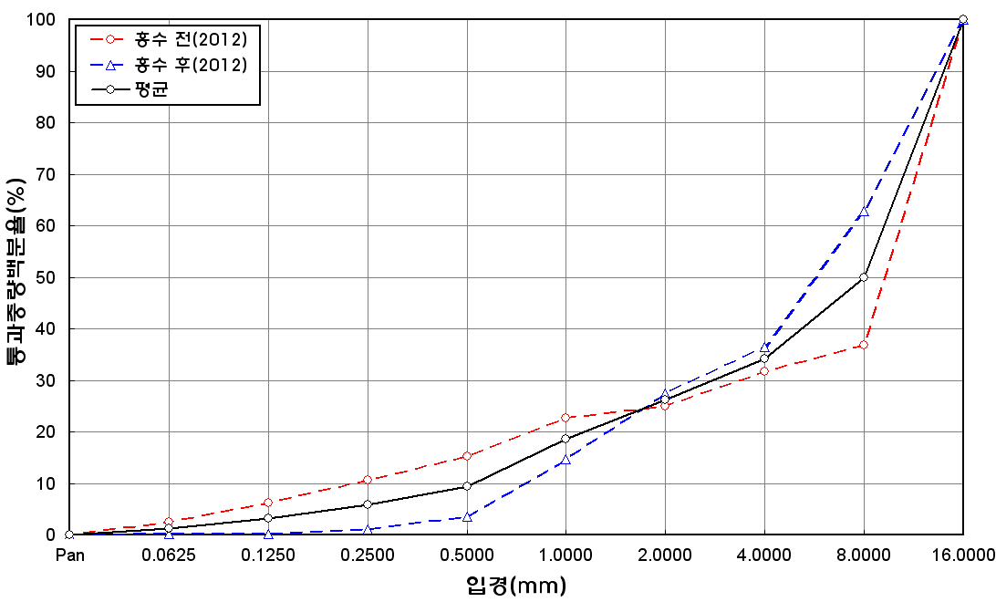
before the flood (2012)
after the flood (2012)
mean
percent passing(%)
particle size (mm)
6 | 49.1 | 18.4 | 22.6 | 3.8 | 2.8 | 2.2 | 0.8 | 0.3 | 100
7 | 48.6 | 18.3 | 21.7 | 5.8 | 2.8 | 1.9 | 0.8 | 0.1 | 100
8 | 52.9 | 18.1 | 22.1 | 6.2 | 0.7 | 0 | 0 | 0 | 100
9 | 53.3 | 19.3 | 18.2 | 4.8 | 3.3 | 0.8 | 0.3 | 0 | 100
10 | 51.7 | 16.7 | 19.3 | 7.2 | 3.1 | 1.2 | 0.8 | 0 | 100
11 | 48.6 | 19.1 | 23.1 | 5 | 2.4 | 1.1 | 0.5 | 0.2 | 100
12 | 49.4 | 20.6 | 22.4 | 3.3 | 2.1 | 1.2 | 0.8 | 0.2 | 100
13 | 48.2 | 21 | 23.4 | 4.2 | 1.4 | 1 | 0.8 | 0 | 100
14 | 48.8 | 22.3 | 24.5 | 1.9 | 1.2 | 0.5 | 0.6 | 0.2 | 100
15 | 47 | 21.8 | 23.2 | 4 | 1.3 | 1.6 | 1 | 0.1 | 100
16 | 47.3 | 15.7 | 22.3 | 5.1 | 2.8 | 3.6 | 3 | 0.2 | 100
17 | 50.8 | 12.2 | 18.1 | 9.3 | 6.6 | 2.7 | 0 | 0.3 | 100
18 | 59.5 | 14.3 | 18.5 | 6 | 0.5 | 0.7 | 0.5 | 0 | 100
19 | 57.9 | 13.9 | 16.4 | 6.4 | 3.5 | 1.1 | 0.6 | 0.2 | 100
20 | 52.7 | 17.2 | 18.1 | 5.3 | 2.8 | 2.3 | 1.2 | 0.4 | 100
min | 46.5 | 12.2 | 16.4 | 1.9 | 0 | 0 | 0 | 0 | -
max | 59.5 | 22.3 | 27 | 9.5 | 6.6 | 3.6 | 3 | 0.4 | -
mean | 50.7 | 17.8 | 21.1 | 5.3 | 2.8 | 1.4 | 0.8 | 0.1 | 100

before the flood (2014)
after the flood (2014)
mean
percent passing(%)
particle size (mm)

